Instructions
 |  |  |  |  | Excel Skills for Business: Intermediate II

 |  |  |  |  | Week 3: Automating Lookups

 |  |  |  |  |  | Practice Challenge

Week 2: Learning Objectives

 | Use the CHOOSE function to report on the value of a cell in a particular position in an array Use the VLOOKUP function to find and display the contents of a cell Identify the use and requirements of the range lookup feature Look up data using the INDEX and MATCH functions

Scenario

The data behind each of the tasks have their corresponding values in the Data Sheet. Simply click on the "plus" to reveal each task as needed.

Task 1. | The CHOOSE function
 | You are running a Fine Dining Restaurant and are keen to ensure customers are happy with all aspects of the service you are providing.
 | You ask each customer to complete a survey, rating each aspect of the service to monitor how each member of the team is performing
 | so that the Tip Jar is distributed according to the rating received and retraining offered to the lesser performing staff members.
 | The CHOOSE function will truncate the first input (the index value) so that for example a 4.5 rated item is counted as only a 4.
 | Use the following categories to classify the star rating given in column C according to the following table:-

 | Star Rating | Category |  | Which team member excelled in their role in the service provided?
 | 1 | Very Bad |  | Food Runner
 | 2 | Bad |  | Which team member could do with some re-training in performing their role?
 | 3 | OK |  | Reception
 | 4 | Good |  | Of the two roles, Bar Service and Waiter, who performed better?
 | 5 | Very Good |  | Waiter
 | 6 | Excellent

Task 2. | Range VLOOKUP
 | Use the VLOOKUP function to perform the grading of students who took a Basic Excel course.
 | The Grade Table appears underneath the dataset.
 | Who received the High Distinction? |  |  | Rosanne Kollums
 | How many students failed the course? |  |  | 2
 | What grade did Otto Mattek achieve? |  |  | Distinction

Task 3 | Exact Match VLOOKUP and MATCH
 | Brad is a keen fisherman who lives in Cairns (Queensland, Australia). He has constructed a table of when to fish for his favourite fish at various times in the year.
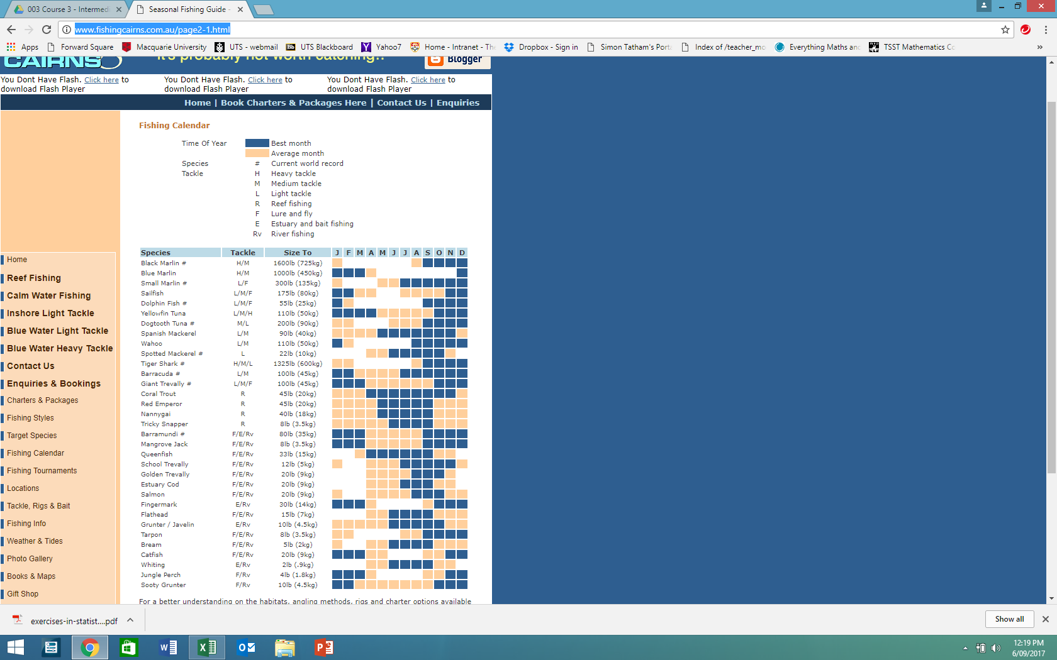

 |  |  |  |  | Source
 |  |  |  |  | http://www.fishingcairns.com.au/page2-1.html

 |  |  |  |  | Use an exact match VLOOKUP to gauge the success of Brad's fishing expedition he is planning in March
 |  |  |  |  | (Note for this a handy named range has been set up for the month dropdown in column M
 |  |  |  |  | and the fish species). Complete 3 rows for Brad's favourite fish species.

 |  |  |  |  | Of the 3 species, Bream, Fingermark, and Grunter / Javelin, which would be Brad's most successful catch?
 |  |  |  |  | Fingermark
 |  |  |  |  | Which species should he not even try for?
 |  |  |  |  | Bream

Task 4 | INDEX and MATCH
 | Valarie is an interior designer and has come up with a colour scheme chart which rates colour combinations chosen to paint a room.
 | A chart displaying basic wall colours and ceiling colours is presented based on her research over the years. There is a rating system from 1=Worst to 6=Best.
 | Use the INDEX function and the MATCH function for the client who has several combinations in mind to help them choose the highest rated
 | colour combination (taste rating) for their room.
 | Of the 4 colour schemes in mind, what is the most tastefully rated?
 |  | Wall colour | Red
 |  | Ceiling colour | Orange
 | Which combination would not be tasteful according to Valarie's research?
 |  | Wall colour | Yellow
 |  | Ceiling colour | Brown
 | What rating would a room whose walls are painted in blue, and whose ceiling is green?
 |  |  | 4

Well done! Don't forget to save your workbook.

Data
wall
ceiling
Task 1 |  |  |  |  | Task 2 |  |  |  | Task 3 |  |  |  |  |  |  |  |  |  |  |  |  |  | Task 4
 | Item | Service Team Member | Star Rating out of 6 | Description |  | Student | Final Mark (%) | Grade |  | Species | Month | Result |  |  |  |  |  |  |  |  |  |  |  |  | Blue | Red | Green | Orange | Purple | Yellow | Brown
 | Reception Greeting | Reception | 1.5 | Very Bad |  | Phil O'Dendron | 65 | Credit |  | Grunter / Javelin | Mar | Average |  |  |  |  |  |  |  |  |  |  |  | Blue | 1 | 5 | 4 | 2 | 3 | 4 | 5
 | Usher to Table | Reception | 2 | Bad |  | Anne Teek | 84 | Distinction |  | Bream | Mar | Go Home |  |  |  |  |  |  |  |  |  |  |  | Red | 2 | 1 | 2 | 6 | 2 | 4 | 6
 | Bar Service | Bar Service | 3 | OK |  | Iris Pektyu | 47 | Fail |  | Fingermark | Mar | Best |  |  |  |  |  |  |  |  |  |  |  | Green | 4 | 6 | 1 | 1 | 5 | 5 | 2
 | Food Ordering Service | Waiter | 4 | Good |  | Tim Burr | 53 | Pass |  |  |  |  |  |  |  |  |  |  |  |  |  |  |  | Orange | 5 | 2 | 1 | 1 | 5 | 2 | 3
 | Discussion of chef's offerings | Waiter | 5.5 | Very Good |  | Beau Napateet | 82 | Distinction |  | Fishing Season Table |  |  |  |  |  |  |  |  |  |  |  |  |  | Purple | 2 | 6 | 5 | 5 | 1 | 2 | 6
 | Timing and Presentation of the food | Food Runner | 6 | Excellent |  | Rosanne Kollums | 95 | High Distinction |  | Species | Jan | Feb | Mar | Apr | May | Jun | Jul | Aug | Sep | Oct | Nov | Dec |  | Yellow | 3 | 1 | 1 | 6 | 6 | 1 | 1
 | Monitoring of Service | Waiter | 5 | Very Good |  | Otto Mattek | 84 | Distinction |  | Black Marlin # | Average | Go Home | Go Home | Go Home | Go Home | Go Home | Go Home | Average | Best | Best | Best | Best |  | Brown | 5 | 3 | 5 | 3 | 6 | 6 | 1
 | Cashier Service | Reception | 4.5 | Good |  | Helen Back | 63 | Pass |  | Blue Marlin | Best | Best | Best | Average | Go Home | Go Home | Go Home | Go Home | Go Home | Go Home | Go Home | Best
 | Overall Rating |  | 5 | Very Good |  | Seymour Butts | 37 | Fail |  | Small Marlin # | Average | Go Home | Go Home | Go Home | Average | Average | Best | Best | Best | Best | Best | Best |  | Colour Schemes in mind
 |  |  |  |  |  |  |  |  |  | Sailfish | Best | Best | Average | Average | Go Home | Go Home | Average | Average | Average | Average | Best | Best |  | Wall | Ceiling | Taste Rating
 |  |  |  |  |  | Grade Table |  |  |  | Dolphin Fish # | Best | Average | Go Home | Go Home | Go Home | Go Home | Go Home | Go Home | Best | Best | Best | Best |  | Red | Orange | 6
 |  |  |  |  |  | 0 | 49 | Fail |  | Yellowfin Tuna | Best | Best | Best | Best | Average | Average | Average | Average | Average | Best | Best | Best |  | Orange | Purple | 5
 |  |  |  |  |  | 50 | 64 | Pass |  | Dogtooth Tuna # | Average | Average | Go Home | Go Home | Go Home | Average | Average | Average | Best | Best | Best | Best |  | Yellow | Brown | 1
 |  |  |  |  |  | 65 | 74 | Credit |  | Spanish Mackerel | Average | Average | Average | Average | Best | Best | Best | Best | Best | Best | Best | Average |  | Blue | Green | 4
 |  |  |  |  |  | 75 | 84 | Distinction |  | Wahoo | Best | Average | Go Home | Go Home | Go Home | Go Home | Go Home | Best | Best | Best | Best | Best
 |  |  |  |  |  | 85 | 100 | High Distinction |  | Spotted Mackerel # | Go Home | Go Home | Go Home | Average | Average | Best | Best | Best | Best | Best | Average | Go Home
 |  |  |  |  |  |  |  |  |  | Tiger Shark # | Average | Average | Go Home | Go Home | Go Home | Go Home | Go Home | Average | Best | Best | Best | Best
 |  |  |  |  |  |  |  |  |  | Barracuda # | Best | Best | Average | Average | Average | Average | Best | Best | Best | Best | Best | Best
 |  |  |  |  |  |  |  |  |  | Giant Trevally # | Best | Best | Best | Average | Average | Average | Average | Average | Average | Best | Best | Best
 |  |  |  |  |  |  |  |  |  | Coral Trout | Average | Average | Average | Best | Best | Best | Best | Best | Best | Best | Best | Average
 |  |  |  |  |  |  |  |  |  | Red Emperor | Average | Average | Average | Average | Best | Best | Best | Best | Best | Average | Average | Average
 |  |  |  |  |  |  |  |  |  | Nannygai | Average | Average | Average | Average | Best | Best | Best | Best | Best | Average | Average | Average
 |  |  |  |  |  |  |  |  |  | Tricky Snapper | Average | Average | Average | Average | Average | Best | Best | Best | Best | Average | Average | Average
 |  |  |  |  |  |  |  |  |  | Barramundi # | Best | Best | Best | Average | Average | Average | Average | Average | Best | Best | Best | Best
 |  |  |  |  |  |  |  |  |  | Mangrove Jack | Best | Best | Best | Average | Average | Average | Average | Average | Best | Best | Best | Best
 |  |  |  |  |  |  |  |  |  | Queenfish | Go Home | Go Home | Average | Best | Best | Best | Best | Best | Best | Average | Average | Go Home
 |  |  |  |  |  |  |  |  |  | School Trevally | Average | Go Home | Go Home | Average | Average | Average | Best | Best | Best | Best | Best | Average
 |  |  |  |  |  |  |  |  |  | Golden Trevally | Go Home | Go Home | Go Home | Average | Average | Average | Average | Best | Best | Best | Average | Go Home
 |  |  |  |  |  |  |  |  |  | Estuary Cod | Go Home | Go Home | Go Home | Average | Average | Average | Best | Best | Best | Average | Average | Go Home
 |  |  |  |  |  |  |  |  |  | Salmon | Average | Go Home | Go Home | Average | Average | Average | Average | Best | Best | Best | Average | Average
 |  |  |  |  |  |  |  |  |  | Fingermark | Best | Best | Best | Average | Go Home | Go Home | Go Home | Go Home | Average | Best | Best | Best
 |  |  |  |  |  |  |  |  |  | Flathead | Go Home | Go Home | Go Home | Average | Average | Best | Best | Best | Best | Average | Average | Average
 |  |  |  |  |  |  |  |  |  | Grunter / Javelin | Average | Average | Average | Average | Average | Best | Best | Best | Best | Best | Average | Average
 |  |  |  |  |  |  |  |  |  | Tarpon | Average | Average | Go Home | Go Home | Go Home | Go Home | Average | Average | Best | Best | Best | Best
 |  |  |  |  |  |  |  |  |  | Bream | Average | Go Home | Go Home | Average | Average | Best | Best | Best | Best | Average | Average | Average
 |  |  |  |  |  |  |  |  |  | Catfish | Best | Best | Best | Average | Average | Go Home | Go Home | Go Home | Average | Average | Best | Best
 |  |  |  |  |  |  |  |  |  | Whiting | Go Home | Go Home | Go Home | Average | Average | Best | Best | Best | Best | Average | Average | Go Home
 |  |  |  |  |  |  |  |  |  | Jungle Perch | Best | Best | Best | Average | Go Home | Go Home | Go Home | Go Home | Average | Average | Best | Best
 |  |  |  |  |  |  |  |  |  | Sooty Grunter | Best | Best | Average | Average | Average | Average | Average | Average | Average | Best | Best | Best

